data
x_axis | y_axis
2028 | 0.18205128205
2029 | 0.18461538462
2030 | 0.18974358974
2031 | 0.2
2032 | 0.20512820513
2033 | 0.20769230769
2034 | 0.21794871795
2035 | 0.22307692308
2036 | 0.22564102564
2037 | 0.2358974359
2038 | 0.24102564103
2039 | 0.24615384615
2040 | 0.25641025641
2041 | 0.26153846154
2042 | 0.26666666667
2043 | 0.27692307692
2044 | 0.28461538462
2045 | 0.29230769231
2046 | 0.3
2047 | 0.30512820513
2048 | 0.30512820513
2049 | 0.32307692308
2050 | 0.33076923077
2051 | 0.33846153846
2052 | 0.34615384615
2053 | 0.35384615385
2054 | 0.36153846154
2055 | 0.36923076923
2056 | 0.37692307692
2057 | 0.38461538462
2058 | 0.39743589744
2059 | 0.40512820513
2060 | 0.41538461538
2061 | 0.42564102564
2062 | 0.43333333333
2063 | 0.44615384615
2064 | 0.45384615385
2065 | 0.4641025641
2066 | 0.47435897436
2067 | 0.48461538462
2068 | 0.49743589744
2069 | 0.50769230769
2070 | 0.51794871795
2071 | 0.52820512821
2072 | 0.54102564103
2073 | 0.55128205128
2074 | 0.56153846154
2075 | 0.57435897436
2076 | 0.58461538462
2077 | 0.6
2078 | 0.61025641026
2079 | 0.62564102564
2080 | 0.63846153846
2081 | 0.64871794872
2082 | 0.6641025641
2083 | 0.67435897436
2084 | 0.68974358974
2085 | 0.70256410256
2086 | 0.71794871795
2087 | 0.73333333333
2088 | 0.74358974359
2089 | 0.76153846154
2090 | 0.77692307692
2091 | 0.79230769231
2092 | 0.80769230769
2093 | 0.82307692308

picture
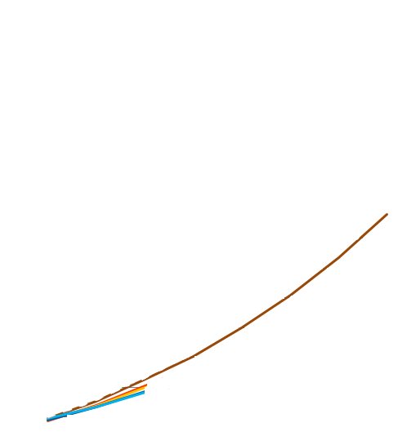

picture_original
